Dashboard
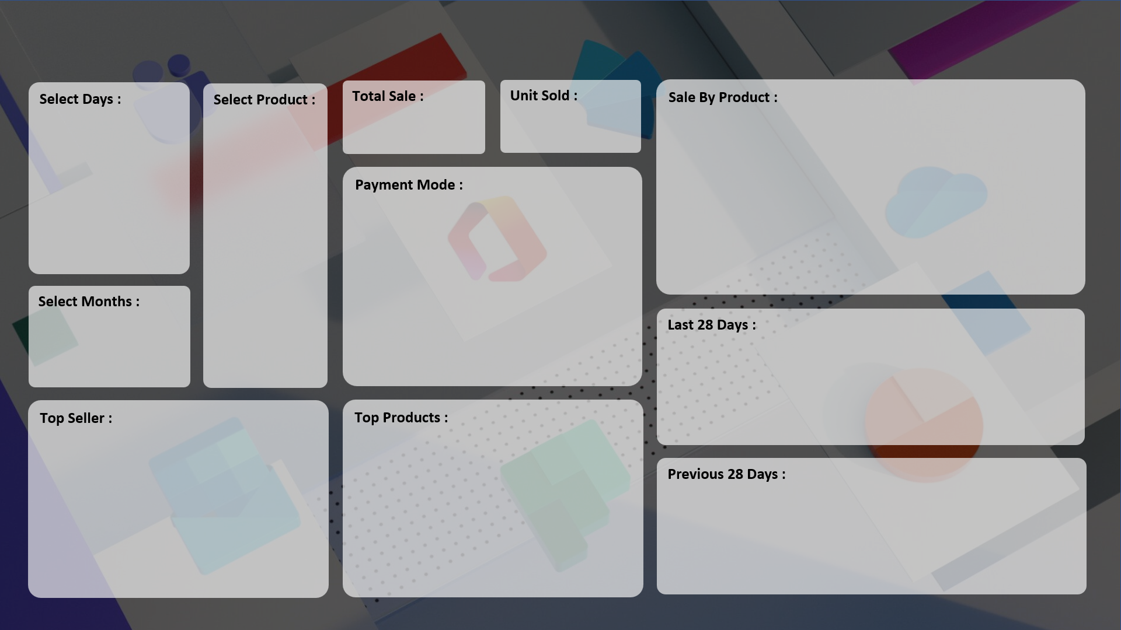
SALE PERFORMANCE DASHBOARD 2023
AKASH RAO

₹ 84,550
7,679
 | Total
Monitor | 64

 | Total
Cash | 53
Online | 11

 | Total
06-Sep | 45

 | Total
CCC Mart | 5
RG Store | 5
ABC Traders | 6
Super Tech | 48
 | Total
Monitor | 64
Mouse | 60
SSD 256 GB | 64

 | Total
Grand Total

